Doc
"WELDGRP" --- WELD GROUP ANALYSIS PROGRAM

Program Description:

"WELDGRP" is a spreadsheet program written in MS-Excel for the purpose of analysis of weld groups using
either the ultimate strength method (also known as "instantaneous center of rotation" method) or the "elastic"
(vector) method ("Alternate Method 1" in AISC Manual). A separate worksheet contains data tables for welds.

This program is a workbook consisting of eleven (11) worksheets, described as follows:

Worksheet Name |  | Description
Doc |  | This documentation sheet
Table XIX |  | Weld group instantaneous center analysis for vertical parallel welds
Table XX |  | Weld group instantaneous center analysis for horizontal parallel welds
Table XXI |  | Weld group instantaneous center analysis for vertical rectangular welds
Table XXII |  | Weld group instantaneous center analysis for horizontal rectangular welds
Table XXIII |  | Weld group instantaneous center analysis for C-shaped welds (case 1)
Table XXIV |  | Weld group instantaneous center analysis for C-shaped welds (case 2)
Table XXV |  | Weld group instantaneous center analysis for L-shaped welds (case1)
Table XXVI |  | Weld group instantaneous center analysis for L-shaped welds (case 2)
Weld Group (elastic) |  | Weld group elastic analysis for up to 24 total weld lines and 4 load points
Weld Data |  | Fillet Weld Data Tables

Program Assumptions and Limitations:

1. The AISC eccentric loads on weld groups worksheets (Tables XX through XXVI, pages 4-75 through 4-82) are
applicable for only in-plane shear loads and torques (moments) on the weld group. With the one exception
being the "Special Case" of out-of-plane loading for vertical parallel welds, AISC Table XIX.
2. The "Weld Group (elastic)" worksheet can be used for all cases of in-plane and out-of-plane loads on the weld
group, or where geometry limitations of the AISC Tables XIX through XXVI are ecceeded. The "elastic" method
(AISC "Alternate" Method 1) will always give conservative results when compared to using the AISC Tables.
3. The "Weld Group (elastic)" worksheet assumes a minimum of 1 weld and a maximum of 24 welds in a group.
4. In the "Weld Group (elastic)" worksheet, the welds are treated as "lines" possessing a length, but no actual
theoretical thickness. All welds are assumed to contribute to the moment of inertia of the group, and the
applied loads are linearly distributed among the welds based on the location of the welds from the centroidal
axes.
5. In the "Weld Group (elastic)" worksheet, the weld group must be composed of straight lines/segments, but
they all need not be connected. Circular or portions of a circular pattern weld may be adequately modeled by
using a series of segments.
(Note: see below for an example of modeling a circular weld pattern.)
6. In the "Weld Group (elastic)" worksheet, each weld line/segment is defined by its own start (X1,Y1) and end
(X2,Y2) sets of coordinates. Coordinates defining weld lines/segments can be input irrespective of direction.
That is, a weld line/segment may be defined from left-to-right and top-to-bottom or vice-versa.
7. The "Weld Group (elastic)" worksheet assumes an orthogonal X-Y-Z coordinate system. All welds and loads
points MUST BE located in the "positive" (1st) quadrant. "Negative" weld or load point location
coordinates are NOT permitted. "Right-Hand-Rule" sign convention is used for all applied forces and moments
at load point locations.
8. In the "Weld Group (elastic)" worksheet, the welds and load points can be numbered in any desired order.
However, the user should make sure to either clear the contents of all spreadsheet cells that are not used for
input or those cell values should be input = 0. All welds and load points MUST BE input in proper numerical
sequence with no "breaks" in the numerical order of input data.
9. The "Weld Group (elastic)" worksheet calculates the required weld size in terms of both fillet leg and effective
throat dimensions, based on the assumption of using E70XX welding electrodes. The user should check AISC
specification for limitations on minimum and maximum weld sizes.
10. This program contains numerous “comment boxes” which contain a wide variety of information including
explanations of input or output items, equations used, data tables, etc. (Note: presence of a “comment box”
is denoted by a “red triangle” in the upper right-hand corner of a cell. Merely move the mouse pointer to the
desired cell to view the contents of that particular "comment box".)
11. Weld Data worksheet shows data tables for minimum size of fillet welds, allowable force on fillet welds, and
intermittent fillet weld lengths and spacings.

Circular Weld Example (using elastic method):

A circular weld of diameter, 'D', with its center located at 0.50*D from both the origin X and Y axes, may be
modeled as 24-sided shape inscribed within the circle. The coordinates of the 24 connected segments can
be described as follows:

D
Y
 |  | Weld Coordinates:
 |  | Start |  | End
 |  | X1 | Y1 | X2 | Y2
 | Weld #1 | 0 | 0.50*D | 0.0170*D | 0.3706*D
 | Weld #2 | 0.0170*D | 0.3706*D | 0.0670*D | 0.2500*D
 | Weld #3 | 0.0670*D | 0.2500*D | 0.1464*D | 0.1464*D
 | Weld #4 | 0.1464*D | 0.1464*D | 0.2500*D | 0.0670*D
 | Weld #5 | 0.2500*D | 0.0670*D | 0.3706*D | 0.0170*D
 | Weld #6 | 0.3706*D | 0.0170*D | 0.50*D | 0
X
 | Weld #7 | 0.50*D | 0 | 0.6294*D | 0.0170*D
 | Weld #8 | 0.6294*D | 0.0170*D | 0.7500*D | 0.0670*D
 | Weld #9 | 0.7500*D | 0.0670*D | 0.8536*D | 0.1464*D
 | Weld #10 | 0.8536*D | 0.1464*D | 0.9330*D | 0.2500*D
 | Weld #11 | 0.9330*D | 0.2500*D | 0.9830*D | 0.3706*D
 | Weld #12 | 0.9830*D | 0.3706*D | 1.0*D | 0.50*D
 | Weld #13 | 1.0*D | 0.50*D | 0.9830*D | 0.6294*D
 | Weld #14 | 0.9830*D | 0.6294*D | 0.9330*D | 0.7500*D
 | Weld #15 | 0.9330*D | 0.7500*D | 0.8536*D | 0.8536*D
 | Weld #16 | 0.8536*D | 0.8536*D | 0.7500*D | 0.9330*D
 | Weld #17 | 0.7500*D | 0.9330*D | 0.6294*D | 0.9830*D
 | Weld #18 | 0.6294*D | 0.9830*D | 0.50*D | 1.0*D
 | Weld #19 | 0.50*D | 1.0*D | 0.3706*D | 0.9830*D
 | Weld #20 | 0.3706*D | 0.9830*D | 0.2500*D | 0.9330*D
 | Weld #21 | 0.2500*D | 0.9330*D | 0.1464*D | 0.8536*D
 | Weld #22 | 0.1464*D | 0.8536*D | 0.0670*D | 0.7500*D
 | Weld #23 | 0.0670*D | 0.7500*D | 0.0170*D | 0.6294*D
 | Weld #24 | 0.0170*D | 0.6294*D | 0 | 0.50*D

Weld Group (elastic)
WELD GROUP ANALYSIS |  |  |  |  |  |  |  |  | Version 2.3
Using the Elastic Method for up to 24 Total Welds |  |  |  |  |  |  |  |  |  |  | Plot Scale Factors
 |  |  |  |  |  |  |  |  |  |  | X-axis | Y-axis
Job Name: |  |  |  |  | Subject: |  |  |  |  |  | 10 | 12
Job Number: |  |  |  |  | Originator: |  | Checker:
 |  |  |  |  |  |  |  |  | Description, Assumptions and Limitations:
Input Data:
 |  |  |  |  |  |  |  |  | 1. This weld group analysis worksheet may be used for the analysis of weld groups using the "elastic" (vector)
 | Weld #1 | Weld #2 | Weld #3 | Weld #4 | Weld #5 | Weld #6 | Weld #7 | Weld #8 | Weld #9 | Weld #10 | Weld #11 | Weld #12
0.000 | 0.000 | 5.000
5.000 | 0.000 | 5.000
 | Number of Welds, Nw = | 2 |  |  |  |  |  |  | method. Specifically, the properties of the weld group are calculated, and then based upon the applied axial
 | Weld Coordinates: |  |  |  |  |  |  |  | and shear loadings, the resulting forces at both ends of the weld line/segment are calculated.
 | Start |  | End |  |  |  |  |  | 2. This weld group worksheet assumes a minimum of 1 weld and a maximum of 24 welds in a group.
 | X1 (in.) | Y1 (in.) | X2 (in.) | Y2 (in.) |  |  |  |  | 3. This weld group worksheet uses the "elastic" (vector) method of analysis. Welds are treated as "lines"
Weld #1 | 0.000 | 0.000 | 5.000 | 0.000 |  |  |  |  | possessing a length, but no actual theoretical thickness. All welds are assumed to contribute to the moment
Weld #2 | 0.000 | 5.000 | 5.000 | 5.000 |  |  |  |  | of inertia of the group, and the applied loads are linearly distributed among the welds based on the location of
 |  |  |  |  |  |  |  |  | the welds from the centroidal axes.
 |  |  |  |  |  |  |  |  | 4. The weld group must be composed of straight lines/segments, but they all need not be connected.
 |  |  |  |  |  |  |  |  | Circular or portions of a circular pattern weld may be adequately modeled by using a series of segments.
 |  |  |  |  |  |  |  |  | (Note: see below for information on modeling a circular weld pattern and input data which may be copied.)
 |  |  |  |  |  |  |  |  | 5. Each weld line/segment is defined by its own start (X1,Y1) and end (X2,Y2) sets of coordinates.
 |  |  |  |  |  |  |  |  | Coordinates defining weld lines/segments can be input irrespective of direction. That is, a weld
 |  |  |  |  |  |  |  |  | line/segment may be defined from left-to-right and top-to-bottom or vice-versa.
 |  |  |  |  |  |  |  |  | 6. This weld group worksheet assumes an orthogonal X-Y-Z coordinate system. All welds and loads points
 |  |  |  |  |  |  |  |  | MUST BE located in the "positive" (1st) quadrant. "Negative" weld or load point location coordinates are NOT
 |  |  |  |  |  |  |  |  | permitted. "Right-Hand-Rule" sign convention is used for all applied forces and moments at load point
 |  |  |  |  |  |  |  |  | locations.
 |  |  |  |  |  |  |  |  | 7. The welds and load points can be numbered in any desired order. However, the user should make sure to
 |  |  |  |  |  |  |  |  | either clear the contents of all spreadsheet cells that are not used for input or those cell values should be
 |  |  |  |  | WELD GROUP PLOT |  |  |  | input = 0. All welds and load points MUST BE input in proper numerical sequence with no "breaks" in the
 |  |  |  |  |  |  |  |  | numerical order of input data.
 |  |  |  |  |  |  |  |  | 8. This weld group worksheet calculates the required weld size in terms of both fillet leg and effective throat
 |  |  |  |  |  |  |  |  | dimensions, based on the assumption of using E70XX welding electrodes. The user should check AISC
 |  |  |  |  |  | +Y |  | 1=Start | specification for limitations on minimum and maximum weld sizes.
 |  |  |  |  |  |  |  | 2=End
 |  |  |  |  |  |  | 1 2 |  | Circular (full pipe or round HSS) Weld:
 |  |  |  |  |  |  | 2
 |  |  |  |  |  |  |  | Weld #3 |  | Note: The following may be used to facilitate input of weld line coordinates for a circular weld:
 |  |  |  |  |  |  |  | Weld #2
 | No. of Load Points = | 1 |  |  |  |  |  | Weld #1 |  | Shape: | Pipe8STD
 |  | Load Point Data: |  |  |  |  | 1 |  |  | OD = | 8.6250 | in.
 |  | Point #1 |  |  |  |  | 1 2 |  |  |  |  | Weld Coordinates:
 | X-Coordinate (in.) = | 2.500 |  |  |  | 0 |  | +X |  |  |  | Start |  | End |  |  |  | OD=8.625
 | Y-Coordinate (in.) = | 2.500 |  |  |  |  | Origin |  |  |  |  | X1 (in.) | Y1 (in.) | X2 (in.) | Y2 (in.)
 | Z-Coordinate (in.) = | 0.000 |  |  |  | +Z |  |  |  |  | Weld #1 | 0.000 | 4.313 | 0.147 | 3.196
 | Axial Load, Pz (k) = | 0.00 |  |  |  |  | NOMENCLATURE |  |  |  | Weld #2 | 0.147 | 3.196 | 0.578 | 2.156
 | Shear Load, Px (k) = | 166.00 |  |  |  |  |  |  |  |  | Weld #3 | 0.578 | 2.156 | 1.263 | 1.263
 | Shear Load, Py (k) = | 0.00 |  |  |  |  |  |  |  |  | Weld #4 | 1.263 | 1.263 | 2.156 | 0.578
 | Moment, Mx (in-k) = | 0.00 |  |  |  |  |  |  |  |  | Weld #5 | 2.156 | 0.578 | 3.196 | 0.147
 | Moment, My (in-k) = | 0.00 |  |  |  |  |  |  |  |  | Weld #6 | 3.196 | 0.147 | 4.313 | 0.000
 | Moment, Mz (in-k) = | 0.00 |  |  |  |  |  |  |  |  | Weld #7 | 4.313 | 0.000 | 5.429 | 0.147
 |  |  |  |  |  |  |  | (continued) |  |  | Weld #8 | 5.429 | 0.147 | 6.469 | 0.578
 |  |  |  |  |  |  |  |  |  |  | Weld #9 | 6.469 | 0.578 | 7.362 | 1.263
Results: |  |  |  |  |  |  |  |  |  |  | Weld #10 | 7.362 | 1.263 | 8.047 | 2.156
 |  |  |  |  |  |  |  |  |  |  | Weld #11 | 8.047 | 2.156 | 8.478 | 3.196
Weld Group Properties: |  |  | S Loads @ C.G. of Weld Group: |  |  |  |  |  |  |  | Weld #12 | 8.478 | 3.196 | 8.625 | 4.313 | Input which can be copied
Lw = | 10.000 | in. | S Pz = | 0.00 | kips |  |  |  |  |  | Weld #13 | 8.625 | 4.313 | 8.478 | 5.429 | (See notes below)
Xc = | 2.500 | in. | S Px = | 166.00 | kips |  |  |  |  |  | Weld #14 | 8.478 | 5.429 | 8.047 | 6.469
Yc = | 2.500 | in. | S Py = | 0.00 | kips |  |  |  |  |  | Weld #15 | 8.047 | 6.469 | 7.362 | 7.362
Ix = | 62.50 | in^3 | S Mx = | 0.00 | in-k |  |  |  |  |  | Weld #16 | 7.362 | 7.362 | 6.469 | 8.047
Iy = | 20.83 | in^3 | S My = | 0.00 | in-k |  |  |  |  |  | Weld #17 | 6.469 | 8.047 | 5.429 | 8.478
J = | 83.33 | in^3 | S Mz = | 0.00 | in-k |  |  |  |  |  | Weld #18 | 5.429 | 8.478 | 4.313 | 8.625
 |  |  |  |  |  |  |  |  |  |  | Weld #19 | 4.313 | 8.625 | 3.196 | 8.478
 |  |  |  |  |  |  |  |  |  |  | Weld #20 | 3.196 | 8.478 | 2.156 | 8.047
 |  | Weld Forces (k/in.) |  |  |  |  |  |  |  |  | Weld #21 | 2.156 | 8.047 | 1.263 | 7.362
 |  | Fw(1) | Fw(2) |  |  |  |  |  |  |  | Weld #22 | 1.263 | 7.362 | 0.578 | 6.469
 | Weld #1 | 16.600 | 16.600 |  |  |  |  |  |  |  | Weld #23 | 0.578 | 6.469 | 0.147 | 5.429
 | Weld #2 | 16.600 | 16.600 |  |  |  |  |  |  |  | Weld #24 | 0.147 | 5.429 | 0.000 | 4.313

 |  |  |  |  |  |  |  |  |  | Notes: 1. Copy only the block of cells from BK43 to BN66 above, and "Paste Special" only their "values"
 |  |  |  |  |  |  |  |  |  | in the appropriate position, starting at cell B13 on the input page.
 |  |  |  |  |  |  |  |  |  | 2. Input the number of welds = 24 in cell C9 on the input page.

 |  |  |  |  |  |  |  |  | Full Wide-Flange Member Weld:

 |  |  |  |  |  |  |  |  |  | Note: The following may be used to facilitate input of weld line coordinates for welding fully around a wide-flange shape:

 |  |  |  |  |  |  |  |  |  | Shape: | W14X90 |  |  |  |  |  |  |  | tf=0.71
 |  |  |  |  |  |  |  |  |  | d = | 14.0000 | in.
 |  |  |  |  |  |  |  |  |  | tw = | 0.4400 | in.
 |  |  |  |  |  |  |  |  |  | bf = | 14.5000 | in.
 |  |  |  |  |  |  |  |  |  | tf = | 0.7100 | in. |  |  |  | tw=0.44 |  | d=14
 |  |  |  |  |  |  |  |  |  |  |  | Weld Coordinates:
 |  |  |  |  |  |  |  |  |  |  |  | Start |  | End
 |  |  |  |  |  |  |  |  |  |  |  | X1 (in.) | Y1 (in.) | X2 (in.) | Y2 (in.)
 |  |  |  |  |  |  |  |  |  |  | Weld #1 | 0.000 | 0.000 | 14.500 | 0.000
 |  |  |  |  |  |  |  |  |  |  | Weld #2 | 0.000 | 0.000 | 0.000 | 0.710 | bf=14.5 |  |  | tf=0.71
 |  |  |  |  |  |  |  |  |  |  | Weld #3 | 14.500 | 0.000 | 14.500 | 0.710
 |  |  |  |  |  |  |  |  |  |  | Weld #4 | 0.000 | 0.710 | 7.030 | 0.710
 |  |  |  |  |  |  |  |  |  |  | Weld #5 | 7.470 | 0.710 | 14.500 | 0.710
 |  |  |  |  |  |  |  |  |  |  | Weld #6 | 7.030 | 0.710 | 7.030 | 13.290 | Input which can be copied
 |  | Required E70XX Weld Size: |  |  |  |  |  |  |  |  | Weld #7 | 7.470 | 0.710 | 7.470 | 13.290 | (See notes below)
 |  | Fw(max) = | 16.600 | kips/in. |  |  |  |  |  |  | Weld #8 | 0.000 | 13.290 | 7.030 | 13.290
 |  | Fillet (leg) = | 1.118 | in. |  |  |  |  |  |  | Weld #9 | 7.470 | 13.290 | 14.500 | 13.290
 |  | Throat (eff) = | 0.790 | in. |  |  |  |  |  |  | Weld #10 | 0.000 | 13.290 | 0.000 | 14.000
 |  |  |  |  |  |  |  |  |  |  | Weld #11 | 14.500 | 13.290 | 14.500 | 14.000
 |  |  |  |  |  |  |  |  |  |  | Weld #12 | 0.000 | 14.000 | 14.500 | 14.000

 |  |  |  |  |  |  |  |  |  | Notes: 1. Copy only the block of cells from BK85 to BN96 above, and "Paste Special" only their "values"
 |  |  |  |  |  |  |  |  |  | in the appropriate position, starting at cell B13 on the input page.
 |  |  |  |  |  |  |  |  |  | 2. Input the number of welds = 12 in cell C9 on the input page.

 |  |  |  |  |  |  |  |  | Full Tee Member Weld:

 |  |  |  |  |  |  |  |  |  | Note: The following may be used to facilitate input of weld line coordinates for welding fully around a Tee shape:

 |  |  |  |  |  |  |  |  |  | Shape: | WT7X45 |  |  |  |  | bf=14.5
 |  |  |  |  |  |  |  |  |  | d = | 7.0100 | in. |  |  |  |  |  |  | tf=0.71
 |  |  |  |  |  |  |  |  |  | tw = | 0.4400 | in.
 |  |  |  |  |  |  |  |  |  | bf = | 14.5000 | in.
 |  |  |  |  |  |  |  |  |  | tf = | 0.7100 | in.
 |  |  |  |  |  |  |  |  |  |  |  | Weld Coordinates: |  |  |  | tw=0.44 |  | d=7.01
 |  |  |  |  |  |  |  |  |  |  |  | Start |  | End
 |  |  |  |  |  |  |  |  |  |  |  | X1 (in.) | Y1 (in.) | X2 (in.) | Y2 (in.)
 |  |  |  |  |  |  |  |  |  |  | Weld #1 | 7.030 | 0.000 | 7.470 | 0.000
 |  |  |  |  |  |  |  |  |  |  | Weld #2 | 7.030 | 0.000 | 7.030 | 6.300
 |  |  |  |  |  |  |  |  |  |  | Weld #3 | 7.470 | 0.000 | 7.470 | 6.300
 |  |  |  |  |  |  |  |  |  |  | Weld #4 | 0.000 | 6.300 | 7.030 | 6.300 | Input which can be copied
 |  |  |  |  |  |  |  |  |  |  | Weld #5 | 7.470 | 6.300 | 14.500 | 6.300 | (See notes below)
 |  |  |  |  |  |  |  |  |  |  | Weld #6 | 0.000 | 6.300 | 0.000 | 7.010
 |  |  |  |  |  |  |  |  |  |  | Weld #7 | 14.500 | 6.300 | 14.500 | 7.010
 |  |  |  |  |  |  |  |  |  |  | Weld #8 | 0.000 | 7.010 | 14.500 | 7.010

 |  |  |  |  |  |  |  |  |  | Notes: 1. Copy only the block of cells from BK115 to BN122 above, and "Paste Special" only their "values"
 |  |  |  |  |  |  |  |  |  | in the appropriate position, starting at cell B13 on the input page.
 |  |  |  |  |  |  |  |  |  | 2. Input the number of welds = 8 in cell C9 on the input page.

 |  |  |  |  |  |  |  |  | Full Channel Member Weld:

 |  |  |  |  |  |  |  |  |  | Note: The following may be used to facilitate input of weld line coordinates for welding fully around a channel shape:

 |  |  |  |  |  |  |  |  |  | Shape: | C10X15.3 |  |  |  |  |  |  |  | tf=0.436
 |  |  |  |  |  |  |  |  |  | d = | 10.0000 | in.
 |  |  |  |  |  |  |  |  |  | tw = | 0.2400 | in.
 |  |  |  |  |  |  |  |  |  | bf = | 2.6000 | in.
 |  |  |  |  |  |  |  |  |  | tf = | 0.4360 | in. |  |  |  | tw=0.24 |  | d=10
 |  |  |  |  |  |  |  |  |  |  |  | Weld Coordinates:
 |  |  |  |  |  |  |  |  |  |  |  | Start |  | End
 |  |  |  |  |  |  |  |  |  |  |  | X1 (in.) | Y1 (in.) | X2 (in.) | Y2 (in.)
 |  |  |  |  |  |  |  |  |  |  | Weld #1 | 0.000 | 0.000 | 2.600 | 0.000
 |  |  |  |  |  |  |  |  |  |  | Weld #2 | 2.600 | 0.000 | 2.600 | 0.436 |  | bf=2.6 |  | tf=0.436
 |  |  |  |  |  |  |  |  |  |  | Weld #3 | 0.240 | 0.436 | 2.600 | 0.436
 |  |  |  |  |  |  |  |  |  |  | Weld #4 | 0.000 | 0.000 | 0.000 | 10.000 | Input which can be copied
 |  |  |  |  |  |  |  |  |  |  | Weld #5 | 0.240 | 0.436 | 0.240 | 9.564 | (See notes below)
 |  |  |  |  |  |  |  |  |  |  | Weld #6 | 0.240 | 9.564 | 2.600 | 9.564
 |  |  |  |  |  |  |  |  |  |  | Weld #7 | 2.600 | 9.564 | 2.600 | 10.000
 |  |  |  |  |  |  |  |  |  |  | Weld #8 | 0.000 | 10.000 | 2.600 | 10.000

 |  |  |  |  |  |  |  |  |  | Notes: 1. Copy only the block of cells from BK141 to BN148 above, and "Paste Special" only their "values"
 |  |  |  |  |  |  |  |  |  | in the appropriate position, starting at cell B13 on the input page.
 |  |  |  |  |  |  |  |  |  | 2. Input the number of welds = 8 in cell C9 on the input page.

 |  |  |  |  |  |  |  |  | Full Angle Member Weld:

 |  |  |  |  |  |  |  |  |  | Note: The following may be used to facilitate input of weld line coordinates for welding fully around an angle shape:

 |  |  |  |  |  |  |  |  |  | Shape: | L3X3X1/4
 |  |  |  |  |  |  |  |  |  | d = | 3.0000 | in.
 |  |  |  |  |  |  |  |  |  | b = | 3.0000 | in. |  |  |  | t=0.25 |  | d=3
 |  |  |  |  |  |  |  |  |  | t = | 0.2500 | in.
 |  |  |  |  |  |  |  |  |  |  |  | Weld Coordinates:
 |  |  |  |  |  |  |  |  |  |  |  | Start |  | End
 |  |  |  |  |  |  |  |  |  |  |  | X1 (in.) | Y1 (in.) | X2 (in.) | Y2 (in.)
 |  |  |  |  |  |  |  |  |  |  | Weld #1 | 0.000 | 0.000 | 3.000 | 0.000 |  | b=3 |  | t=0.25
 |  |  |  |  |  |  |  |  |  |  | Weld #2 | 3.000 | 0.000 | 3.000 | 0.250
 |  |  |  |  |  |  |  |  |  |  | Weld #3 | 0.250 | 0.250 | 3.000 | 0.250 | Input which can be copied
 |  |  |  |  |  |  |  |  |  |  | Weld #4 | 0.000 | 0.000 | 0.000 | 3.000 | (See notes below)
 |  |  |  |  |  |  |  |  |  |  | Weld #5 | 0.250 | 0.250 | 0.250 | 3.000
 |  |  |  |  |  |  |  |  |  |  | Weld #6 | 0.000 | 3.000 | 0.250 | 3.000

 |  |  |  |  |  |  |  |  |  | Notes: 1. Copy only the block of cells from BK166 to BN171 above, and "Paste Special" only their "values"
 |  |  |  |  |  |  |  |  |  | in the appropriate position, starting at cell B13 on the input page.
 |  |  |  |  |  |  |  |  |  | 2. Input the number of welds = 6 in cell C9 on the input page.

 |  |  |  |  |  |  |  |  | Full Tube (square or rectangular HSS) Member Weld:

 |  |  |  |  |  |  |  |  |  | Note: The following may be used to facilitate input of weld line coordinates for welding fully around a tube shape:

 |  |  |  |  |  |  |  |  |  | Shape: | HSS8X6X3/8 |  |  |  |  |  | b=6 | c=0.75
 |  |  |  |  |  |  |  |  |  | h = | 8.0000 | in.
 |  |  |  |  |  |  |  |  |  | b = | 6.0000 | in.
 |  |  |  |  |  |  |  |  |  | (Corner Clip) c = | 0.7500 | in.
 |  |  |  |  |  |  |  |  |  |  |  | Weld Coordinates:
 |  |  |  |  |  |  |  |  |  |  |  | Start |  | End |  |  |  |  | h=8
 |  |  |  |  |  |  |  |  |  |  |  | X1 (in.) | Y1 (in.) | X2 (in.) | Y2 (in.)
 |  |  |  |  |  |  |  |  |  |  | Weld #1 | 0.750 | 0.000 | 5.250 | 0.000 |  |  |  | c=0.75
 |  |  |  |  |  |  |  |  |  |  | Weld #2 | 0.000 | 0.750 | 0.750 | 0.000
 |  |  |  |  |  |  |  |  |  |  | Weld #3 | 5.250 | 0.000 | 6.000 | 0.750
 |  |  |  |  |  |  |  |  |  |  | Weld #4 | 0.000 | 0.750 | 0.000 | 7.250 | Input which can be copied
 |  |  |  |  |  |  |  |  |  |  | Weld #5 | 6.000 | 0.750 | 6.000 | 7.250 | (See notes below)
 |  |  |  |  |  |  |  |  |  |  | Weld #6 | 0.000 | 7.250 | 0.750 | 8.000
 |  |  |  |  |  |  |  |  |  |  | Weld #7 | 6.000 | 7.250 | 5.250 | 8.000
 |  |  |  |  |  |  |  |  |  |  | Weld #8 | 0.750 | 8.000 | 5.250 | 8.000

 |  |  |  |  |  |  |  |  |  | Notes: 1. Copy only the block of cells from BK189 to BN196 above, and "Paste Special" only their "values"
 |  |  |  |  |  |  |  |  |  | in the appropriate position, starting at cell B13 on the input page.
 |  |  |  |  |  |  |  |  |  | 2. Input the number of welds = 8 in cell C9 on the input page.

Weld Data
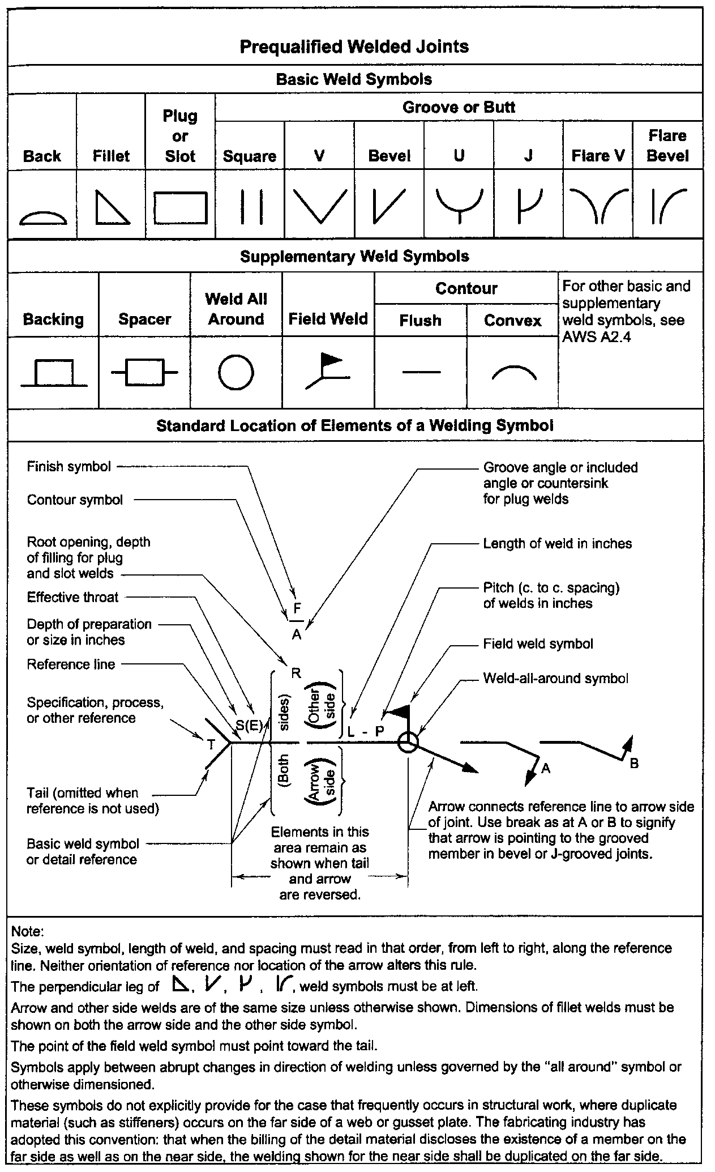
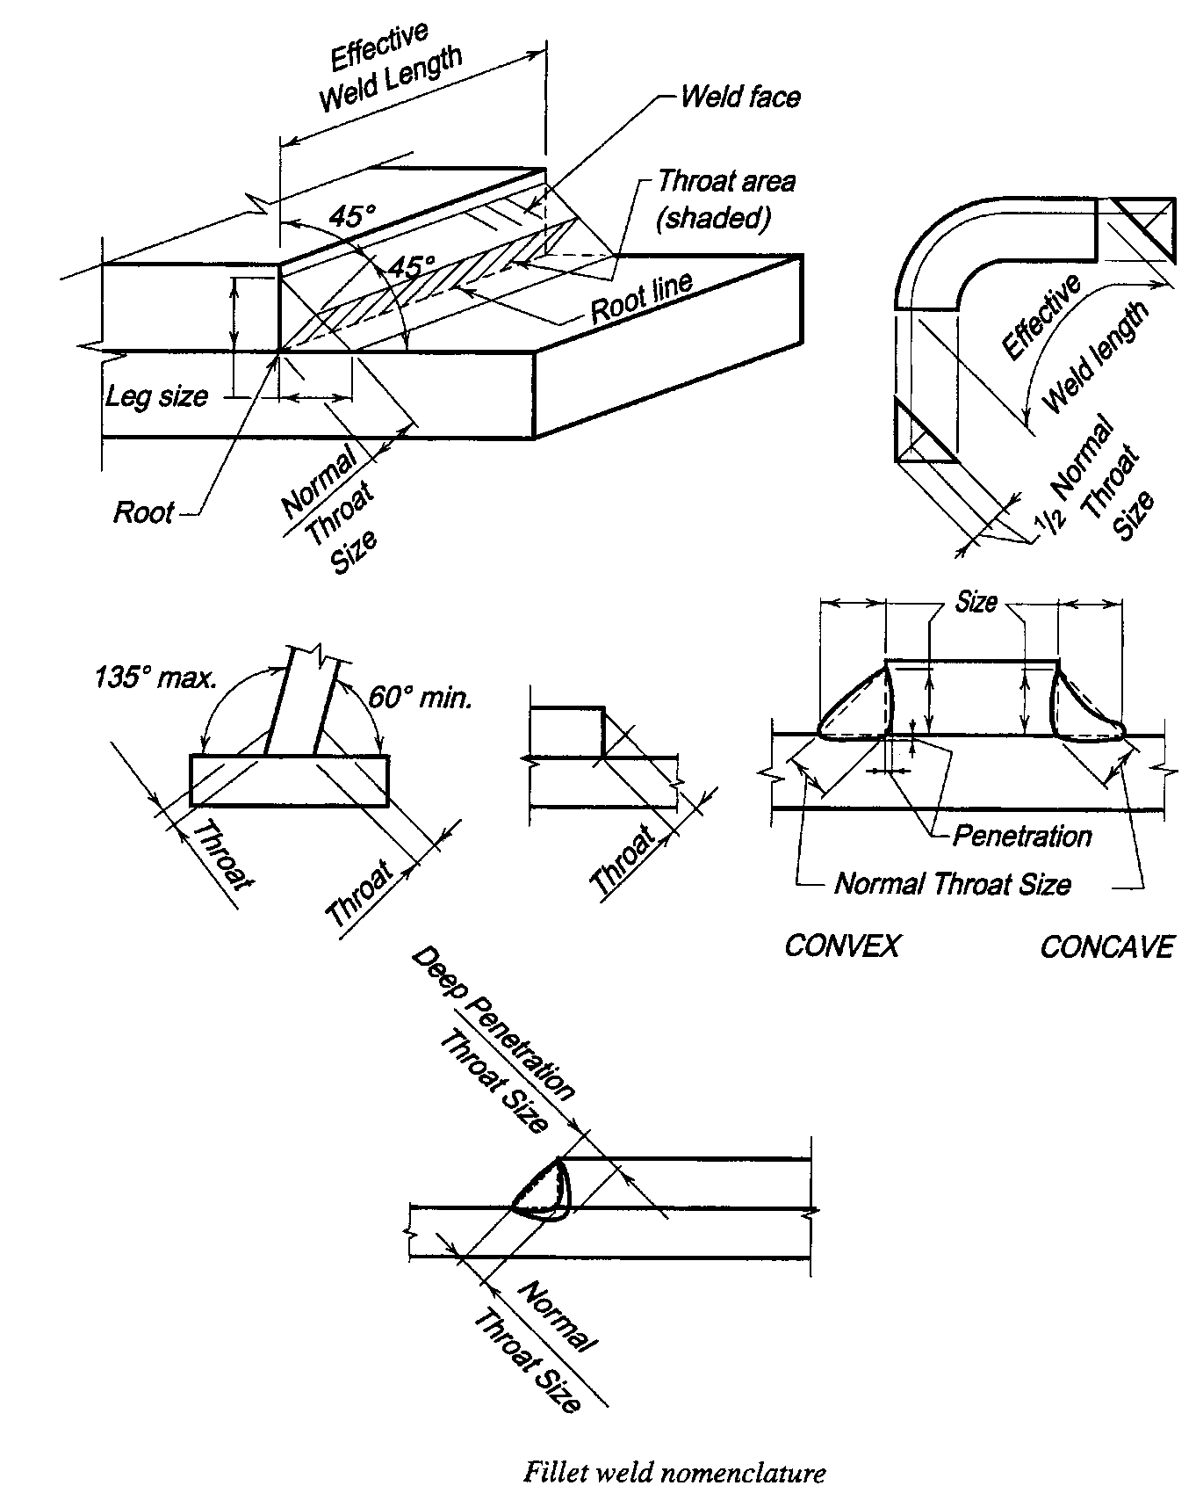
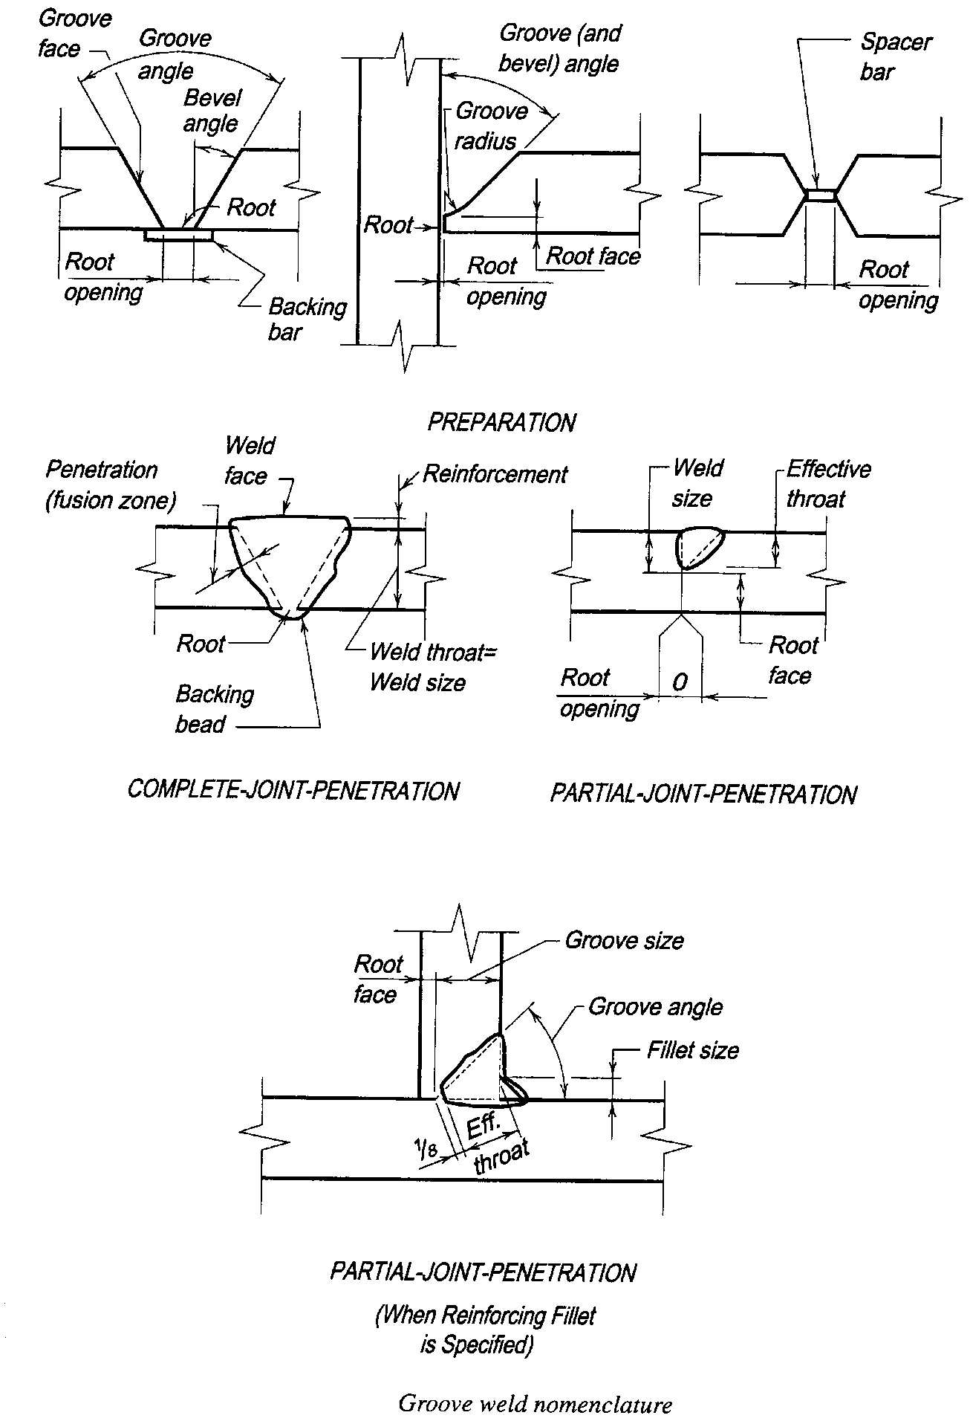
FILLET WELD DATA TABLES

AISC Table J2.3 - Minimum Effective Throat Thickness of
Partial-Penetration Groove Welds
Material Thickness of |  | Minimum Effective Throat
Thicker Part Joined (in.) |  | Thickness (in.)
To 1/4 Inclusive |  | 1/8
Over 1/4 to 1/2 |  | 3/16
Over 1/2 to 3/4 |  | 1/4
Over 3/4 to 1-1/2 |  | 5/16
Over 1-1/2 to 2-1/4 |  | 3/8
Over 2-1/4 to 6 |  | 1/2
Over 6 |  | 5/8

AISC Table J2.4 - Minimum Size of Fillet Welds
Material Thickness of |  | Minimum Size of
Thicker Part Joined (in.) |  | Fillet Weld (in.)
To 1/4 Inclusive |  | 1/8
Over 1/4 to 1/2 |  | 3/16
Over 1/2 to 3/4 |  | 1/4
Over 3/4 |  | 5/16
Notes: | 1. Sizes of fillets welds shown are "leg" dimensions.
 | 2. Single-pass welds must be used.

Allowable Force on Fillet Welds (k/in.)
Weld Size (in.) |  | Weld Force (for E70XX)
1/8 |  | 1.856
3/16 |  | 2.785
1/4 |  | 3.713
5/16 |  | 4.641
3/8 |  | 5.569
7/16 |  | 6.497
1/2 |  | 7.426
Note: | Weld force is calculated by 0.928*D, where 'D' is the
 | number of 1/16's of an inch for the weld size.

Intermittent Fillet Welds
% of Continuous Weld |  | Weld Length and Spacing (in.)
75 |  | --- | 3 - 4 | ---
66 |  | --- | --- | 4 - 6
60 |  | --- | 3 - 5 | ---
50 |  | 2 - 4 | 3 - 6 | 4 - 8
44 |  | --- | --- | 4 - 9
40 |  | 2 - 5 | --- | 4 - 10
37 |  | --- | 3 - 8 | ---
33 |  | 2 - 6 | 3 - 9 | 4 - 12
30 |  | --- | 3 -10 | ---
25 |  | 2 - 8 | 3 -12 | ---
20 |  | 2 - 10 | --- | ---
16 |  | 2 - 12 | --- | ---

